﻿Conversation Campaign DB
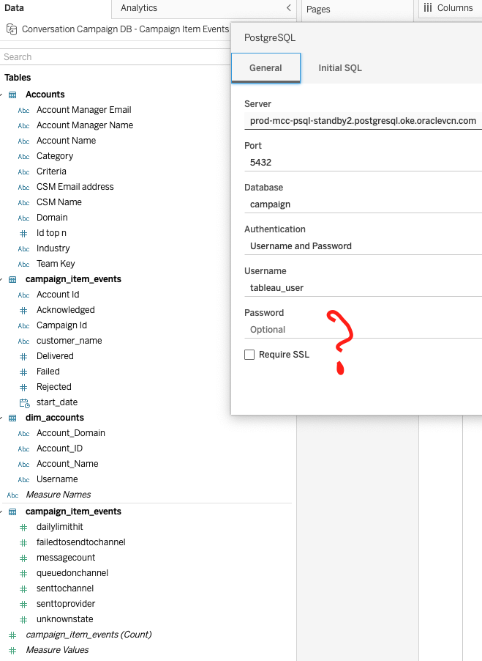
Conversation Snapshot

